ITP
 |  |  | Inspection and Test Plan - Runway Grooving of Asphalt Surfacing |  |  |  |  |  |  |  | Document # FH-ZU2-QU-ITP055
 |  |  |  |  |  |  |  |  |  |  | Revision: 0 | Date : 04/02/2025

Client: | Melbourne Airport |  | Construction Process: | Runway Grooving of Asphalt Surfacing |  | Prepared by: |  | Reviewed by : |  |  | Approved by :
Project: | Melbourne Airport Taxiway Zulu 2.0 |  |  |  |  | Name: Noriko Wood |  | Name: |  |  | Name:
Contract: | CP14038-01 |  | Specifications: | Technical Specifications Melbourne Airport Runway 16-34 Overlay Schematic and Detailed Design GHD-DD-SPC-001 (10 June 2022), GHD-DD-SPC-002 (14 June 2022) |  | Senior Pavement Engineer

 |  |  | Location: | Fulton Hogan Infrastructure Services 500 Princes Hwy, Noble Park VIC 3174

Item No. | Task/Activity Description |  | Inspection / Controls and Verification Detail |  |  |  |  |  | HP/ WP/ AP/ IP/ TP/ SCP | Responsibility
 |  |  | Frequency |  | Acceptance Criteria | Reference Documents | Inspection / Test Method | Record of conformity
1 | Trials
1.01 | Trial section of grooving in new asphalt surfacing |  | Prior to the commencement of grooving works. |  | Construction of a trial section of grooving that complies with the requirements of Sections 2 and 3 of this ITP. | GHD-DD-SPC-001 7005 HP7005-1 | Inspection | ITP | HP | Quality Manager
2 | Grooving
2.01 | Commencement of grooving in new asphalt surfacing. |  | Prior to the commencement of grooving works. |  | Grooving of asphalt surfacing commenced no less than 8 weeks after the completion of the construction of the asphalt surfacing. | GHD-DD-SPC-001 7004(a) | Inspection | ITP | IP | Site Engineer
2.02 | Grooving of new asphalt surfacing as per specified dimensions, length, extent and shape. |  | During grooving works, on at least 15 randomly selected grooves within a lot. Submission of groove lots to be within 48 hours of completion of a lot. |  | Width, depth and spacing of grooves are as indicated on Drawings. Floor of grooves are parallel to the finished surface of the pavement. Square grooves are square with sides perpendicular to the surface of the runway; trapezoidal grooves are a consistent trapezoidal shape and not round or semi-circle. The deviation from specified groove shape is not more than specified in Note 1. Grooves are cut continuously across the width of the pavement and are cut to extend over the length of the pavement, as shown on the Drawings. | GHD-DD-SPC-001 7004(c)(d)(f)(g) Table 7007-1 WP7007-1 | Inspection; random selection in accordance with AS 1289.1.4.2 | Conformance report | WP | Site Engineer
2.03 | Grooving of new asphalt surfacing as per specified alignment. |  | During grooving works, on at least 15 randomly selected grooves within a lot. Submission of groove lots to be within 48 hours of completion of a lot. |  | Alignment of grooves reset to truly perpendicular to the runway centreline at 150 m intervals along the runway. Grooves are cut in parallel straight lines perpendicular to the runway centreline and comply with the requirements of Note 1. Grooves on rapid exit taxiways are in straight lines and oriented as indicated on Drawings. | GHD-DD-SPC-001 7004(e) Table 7007-1 WP7007-1 | Inspection; random selection in accordance with AS 1289.1.4.2 | Conformance report | WP | Site Engineer
2.04 | Grooving of new asphalt surfacing near inset light fittings. |  | During grooving works adjacent to inset light fittings. |  | Grooving is stopped to leave a regular (rectangular or square) ungrooved area symmetrically surrounding the light fitting. Grooves are not sawn closer than 150 mm and not more than 900 mm from the edge of any inset light. | GHD-DD-SPC-001 7004(h) | Inspection | ITP | IP | Site Engineer
2.05 | Grooving of new asphalt surfacing near cable slots. |  | During grooving works adjacent to cable slots. |  | Grooves are not sawn closer than 150 mm and not more than 900 mm from the edge of any cable slots. | GHD-DD-SPC-001 7004(i) | Inspection | ITP | IP | Site Engineer
2.06 | Grooving of new asphalt surfacing near cable arrestors. |  | During grooving works adjacent to cable arrestors. |  | Grooves are not sawn closer than 3,000 mm each side of a cable arrestor system. | GHD-DD-SPC-001 7004(j) | Inspection | ITP | IP | Site Engineer
3 | Slurry Removal
3.01 | Cleaning of grooved surface. |  | Progressively during grooving and at the completion of grooving works. |  | Slurry produced by grooving equipment is flushed from grooves as it is produced and removed by suction into a mobile container. Residual slurry is removed to produce a clean pavement free from all material arising from the cutting of grooves. | GHD-DD-SPC-001 7006 | Inspection | ITP | IP | Site Engineer
3.02 | Notification of completion of cleaning of pavement surface. |  | At the end of each work period in which grooving works have been undertaken. |  | Contract Administor is notified of completion of cleaning of pavement surface. | GHD-DD-SPC-001 7006 WP7006-1 | Inspection | ITP | WP | Site Engineer

 | 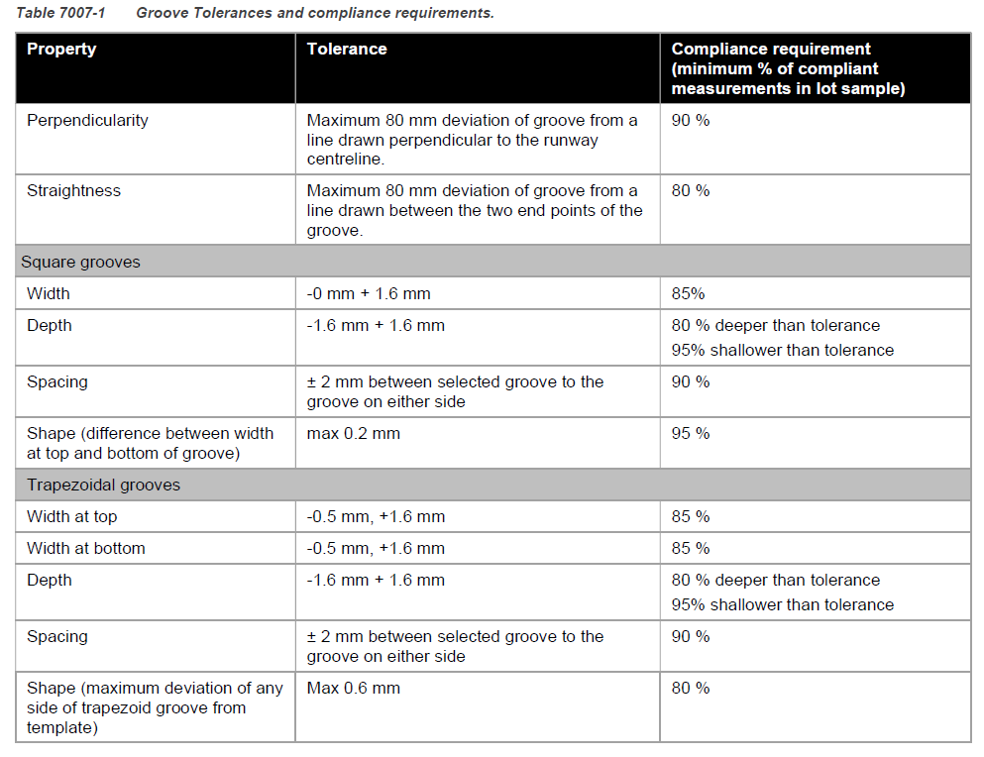 Note 1:
 | Final Inspection
 | The signature below verifies that this ITP has been completed in accordance with the FH’s Quality system Procedures and verifies lot compliance with specifications.
 | Print Name: |  | Position: |  | Signature: |  |  |  |  | Date: / /

Legend
HP | Hold Point | Work shall not proceed past the HP until released by the Contract Administrator |  |  | IP Inspection point | Formal Inspection to be completed and recorded
HP* | FH Hold Point | Work shall not proceed past the HP* until released by FH |  |  | TP Test Point | Product compliance test to be undertaken and recorded/reported
WP | Witness Point | An inspection which may be witnessed by the Contract Administrator or Client |  |  | NMS Nominal Mix Size | The nominal size of the asphalt mix
AP | Approval Point | Written or verbal approval given by the Contract Administrator

Document Control
Date | Author | Description of Change |  |  | Revision
2022-08-15 | N.Wood | Document published |  |  | 1.0 (Runway Overlay)
2022-09-29 | N.Wood | Updated Reference Documents to include reference to GHD-DD-SPC-001, removed reference to 7004(b) in Item 2.02 Reference Documents |  |  | 1.1 (Runway Overlay)
2025-02-04 | T. Elliget | Updated Document Number for re-use on Zulu 2.0 |  |  | 0 (Taxiway Zulu 2.0)

